Transshipment
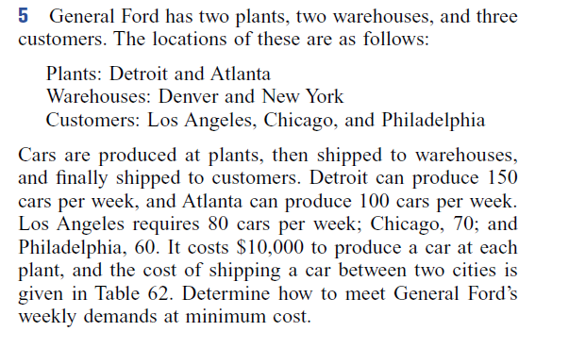
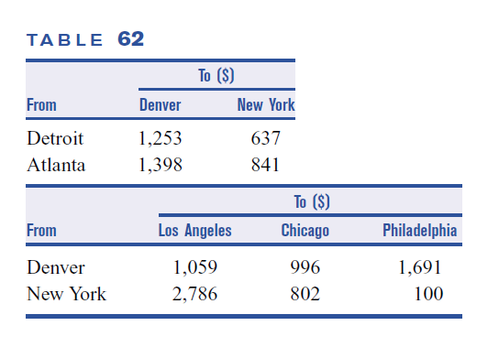

Final answer: min cost = 338610

DV - let x_ij be number of units from source i to destination j
i | 1 | 2 | 3 | 4
city | Detroit | Atlanta | Denver | NY
j | 1 | 2 | 3 | 4 | 5
city | Denver | NY | LA | Chicago | Philadelphia

from | Detroit | Detroit | Atlanta | Atlanta | Denver | Denver | Denver | NY | NY | NY
to | Denver | NY | Denver | NY | LA | Chicago | Philadelphia | LA | Chicago | Philadelphia
variables | x_11 | x_12 | x_21 | x_22 | x_33 | x_34 | x_35 | x_43 | x_44 | x_45
cost | 1253 | 637 | 1398 | 841 | 1059 | 996 | 1691 | 2786 | 802 | 100
final values | 20 | 130 | 60 | 0 | 80 | 0 | 0 | 0 | 70 | 60 | 338610 | =min cost

s.t. |  |  |  |  |  |  |  |  |  |  | LHS | sign | RHS
supply Detroit | 1 | 1 |  |  |  |  |  |  |  |  | 150 | <= | 150
supply Atlanta |  |  | 1 | 1 |  |  |  |  |  |  | 60 | <= | 100
d_LA |  |  |  |  | 1 |  |  | 1 |  |  | 80 | = | 80
d_Chi |  |  |  |  |  | 1 |  |  | 1 |  | 70 | = | 70
d_Phi |  |  |  |  |  |  | 1 |  |  | 1 | 60 | = | 60
transship Denver | 1 |  | 1 |  | -1 | -1 | -1 |  |  |  | 0 | = | 0
transship NY |  | 1 |  | 1 |  |  |  | -1 | -1 | -1 | 0 | = | 0

Assignment(1)
Question:
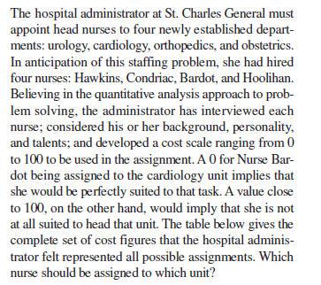

 |  |  |  |  | Final answer: min cost = 86

cost scale (0 good - 100 bad)
NURSE | UROLOGY | CARDIOLOGY | ORTHOPEDICS | OBSTETRICS
Hawkins | 28 | 18 | 15 | 75
Condriac | 32 | 48 | 23 | 38
Bardot | 51 | 36 | 24 | 36
Hoolihan | 25 | 38 | 55 | 12

Assignment
NURSE | UROLOGY | CARDIOLOGY | ORTHOPEDICS | OBSTETRICS | LHS |  | RHS
Hawkins | 0 | 1 | 0 | 0 | 1 | = | 1
Condriac | 1 | 0 | 0 | 0 | 1 | = | 1
Bardot | 0 | 0 | 1 | 0 | 1 | = | 1
Hoolihan | 0 | 0 | 0 | 1 | 1 | = | 1
 | 1 | 1 | 1 | 1
 | = | = | = | =
 | 1 | 1 | 1 | 1
min cost | 86

Shortest route
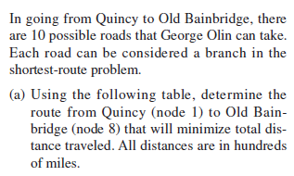
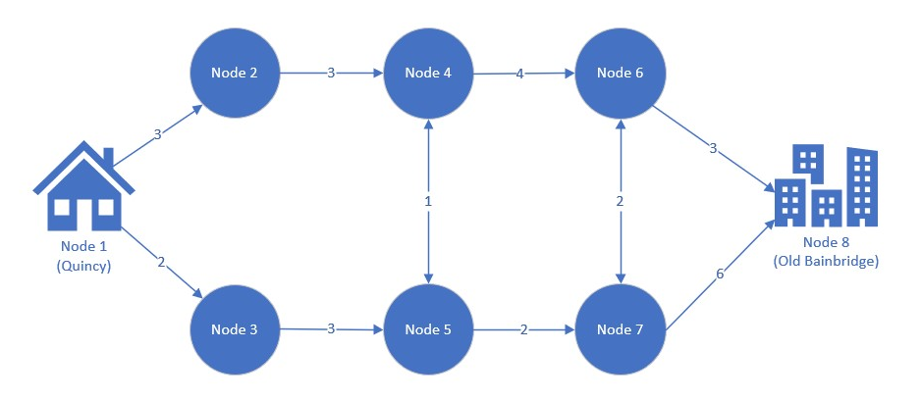
 |  |  |  |  | Route table |  |  |  |  | Route diagram (not to scale)
 |  |  |  |  | Branch | Start node | End node | Distance ('00 km)
 |  |  |  |  | 1 | 1 | 2 | 3
 |  |  |  |  | 2 | 1 | 3 | 2
 |  |  |  |  | 3 | 2 | 4 | 3
 |  |  |  |  | 4 | 3 | 5 | 3
 |  |  |  |  | 5 | 4 | 5 | 1
 |  |  |  |  | 6 | 4 | 6 | 4
 |  |  |  |  | 7 | 5 | 7 | 2
 |  |  |  |  | 8 | 6 | 7 | 2
b) Suppose that the distance of branch 4 (node 3 to 5) |  |  |  |  | 9 | 6 | 8 | 3
is in fact 100 km, and not 300 km as in the initial table. |  |  |  |  | 10 | 7 | 8 | 6
Does this change the shortest route from 1 to 8?

c) Suppose George Olin has to stop at node 4 for fuel
How does this impact your answer in b)?
Hint: you need to add an additional constraint
to your formulation in b).

Final answers: a) 13, b) 12, c) ?
Turns out the final answers above are not correct. The shortest route for (a) is indeed 12, as we found in class using the formulation below.
For (b), the correct answer is 10. see below for c as well.

start | 1 | 1 | 2 | 3 | 4 | 4 | 5 | 5 | 6 | 6 | 7 | 7
end | 2 | 3 | 4 | 5 | 5 | 6 | 4 | 7 | 7 | 8 | 6 | 8
variables | x12 | x13 | x24 | x35 | x45 | x46 | x54 | x57 | x67 | x68 | x76 | x78
solution | 0 | 1 | 0 | 1 | 0 | 0 | 0 | 1 | 0 | 1 | 1 | 0
distances | 3 | 2 | 3 | 3 | 1 | 4 | 1 | 2 | 2 | 3 | 2 | 6 | 12

s.t
Node 1 | 1 | 1 |  |  |  |  |  |  |  |  |  |  | 1 | = | 1
Node 8 |  |  |  |  |  |  |  |  |  | 1 |  | 1 | 1 | = | 1
Node 2 | 1 |  | -1 |  |  |  |  |  |  |  |  |  | 0 | = | 0
Node 3 |  | 1 |  | -1 |  |  |  |  |  |  |  |  | 0 | = | 0
Node 4 |  |  | 1 |  | -1 | -1 | 1 |  |  |  |  |  | 0 | = | 0
Node 5 |  |  |  | 1 | 1 |  | -1 | -1 |  |  |  |  | 0 | = | 0
Node 6 |  |  |  |  |  | 1 |  |  | -1 | -1 | 1 |  | 0 | = | 0
Node 7 |  |  |  |  |  |  |  | 1 | 1 |  | -1 | -1 | 0 | = | 0

b) change distance for branch 4 (3 to 5) to 100 and solve again.
start | 1 | 1 | 2 | 3 | 4 | 4 | 5 | 5 | 6 | 6 | 7 | 7
end | 2 | 3 | 4 | 5 | 5 | 6 | 4 | 7 | 7 | 8 | 6 | 8
variables | x12 | x13 | x24 | x35 | x45 | x46 | x54 | x57 | x67 | x68 | x76 | x78
solution | 0 | 1 | 0 | 1 | 0 | 0 | 0 | 1 | 0 | 1 | 1 | 0
distances | 3 | 2 | 3 | 1 | 1 | 4 | 1 | 2 | 2 | 3 | 2 | 6 | 10

s.t
Node 1 | 1 | 1 |  |  |  |  |  |  |  |  |  |  | 1 | = | 1
Node 8 |  |  |  |  |  |  |  |  |  | 1 |  | 1 | 1 | = | 1
Node 2 | 1 |  | -1 |  |  |  |  |  |  |  |  |  | 0 | = | 0
Node 3 |  | 1 |  | -1 |  |  |  |  |  |  |  |  | 0 | = | 0
Node 4 |  |  | 1 |  | -1 | -1 | 1 |  |  |  |  |  | 0 | = | 0
Node 5 |  |  |  | 1 | 1 |  | -1 | -1 |  |  |  |  | 0 | = | 0
Node 6 |  |  |  |  |  | 1 |  |  | -1 | -1 | 1 |  | 0 | = | 0
Node 7 |  |  |  |  |  |  |  | 1 | 1 |  | -1 | -1 | 0 | = | 0

c) stop for fuel at node 4: force what goes into node 4 to be equal to 1
start | 1 | 1 | 2 | 3 | 4 | 4 | 5 | 5 | 6 | 6 | 7 | 7
end | 2 | 3 | 4 | 5 | 5 | 6 | 4 | 7 | 7 | 8 | 6 | 8
variables | x12 | x13 | x24 | x35 | x45 | x46 | x54 | x57 | x67 | x68 | x76 | x78
solution | 0 | 1 | 0 | 1 | 0 | 1 | 1 | 0 | 0 | 1 | 0 | 0
distances | 3 | 2 | 3 | 1 | 1 | 4 | 1 | 2 | 2 | 3 | 2 | 6 | 11

s.t
Node 1 | 1 | 1 |  |  |  |  |  |  |  |  |  |  | 1 | = | 1
Node 8 |  |  |  |  |  |  |  |  |  | 1 |  | 1 | 1 | = | 1
Node 2 | 1 |  | -1 |  |  |  |  |  |  |  |  |  | 0 | = | 0
Node 3 |  | 1 |  | -1 |  |  |  |  |  |  |  |  | 0 | = | 0
Node 4 |  |  | 1 |  | -1 | -1 | 1 |  |  |  |  |  | 0 | = | 0
Node 5 |  |  |  | 1 | 1 |  | -1 | -1 |  |  |  |  | 0 | = | 0
Node 6 |  |  |  |  |  | 1 |  |  | -1 | -1 | 1 |  | 0 | = | 0
Node 7 |  |  |  |  |  |  |  | 1 | 1 |  | -1 | -1 | 0 | = | 0
node 4 |  |  | 1 |  |  |  | 1 |  |  |  |  |  | 1 | = | 1

